2
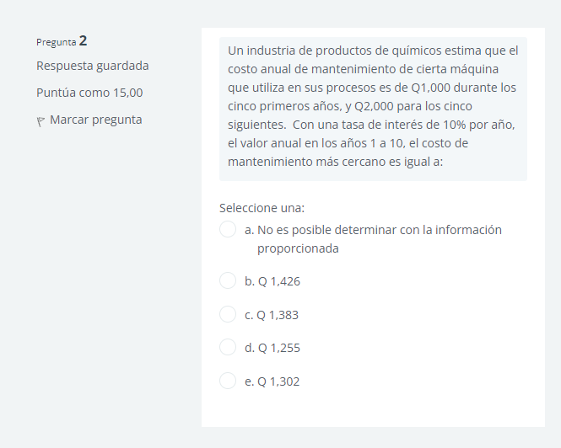

1,000 | 5AÑOS
2,000 | 5AÑOS

5,000(0.1)=500
10,000*0.1 = 1,000
1,500

3
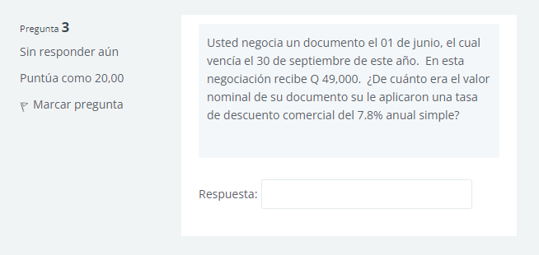

4 meses | I = CAP (TASA)(TIEMPO)
7,8% | 49,000=CAP(7.8/100)(0.333)
49,000 | 49,000=CAP*0.0259
M = ? | CAP = 1,891.91

D = MDt | DEJO DOS RESPUESTAS
M - C = MDT
M - 49,000 = M*0.078(4/12)
M = 50,308.01

4
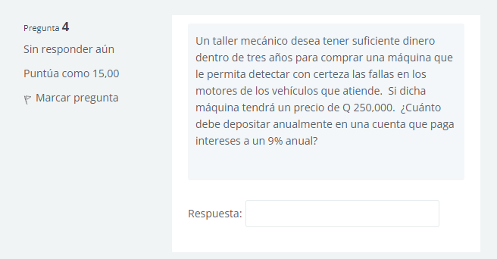

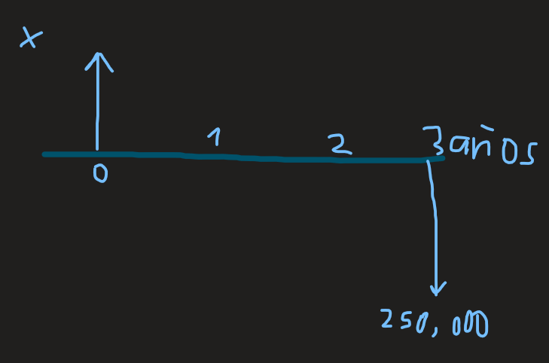

I = 9% | N | A/F
 | 2 | 0.30505476
A = 250,000(A/F,9%,3)
A=76,263.69

5
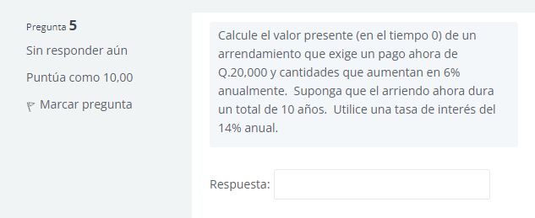

I = 14%
21,200 | 22,472 | 23,820.32 | 25,249.54 | 26,764/512 | 28,370.37 | 30,072.61 | 31,876.96 | 33,789.58 | 35,816.95

valor presente

20,000((1+0.14)^10-1/0.14(1+0.14)^10) = 104,322.313
con el valor presente en el tiempo 0
104,322.12(1/(1+0.14)^10)+21,200(1/(1+0.14)^1)+…....

R = 165,116.727

6
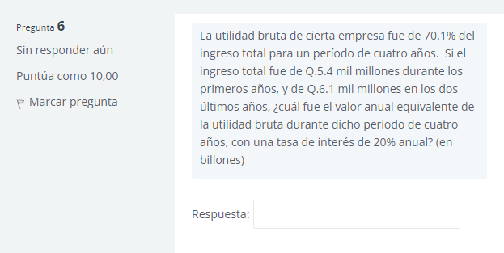

0.701(5.4)(P/A,20%,2)+0.701(6.1)(P/A,20%,2)((P/F,20%)))
10,3198 BILLONES
A = P(A/P,20%,4) = 10,3198(0.38629) = 3,98643 BILLONES

7
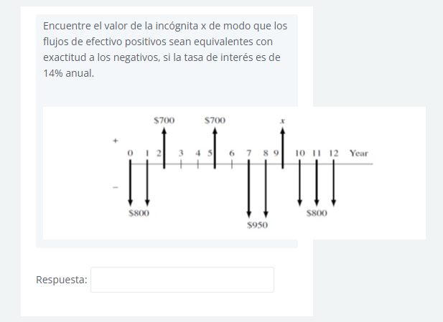

= -800(F/A,14%,2)(F/P,14%,8)+700*(F/P,14,7)+700(F/P,14%,4)

-4267.3612

x = 6124.64

